Sheet1
Name: ……………………….. |  |  |  |  | Roll No : …………….…...

VISWAJYOTHI COLLEGE OF ENGINEERING & TECHNOLOGY
 |  | Series Test 2 : March 2025
 |  | Semester and Class : S6 AD, CG, CSE A & B
Time: 90 Mnts. |  |  | C.Code | C311 |  | Max. Marks: 50
 | CST 306 : ALGORITHM ANALYSIS AND DESIGN

M
O
R
P
N
Q
PART A 3*6 = 18 Marks
Q.No | (Answer all questions) |  |  |  |  | Marks | Taxonomy | Outcome
1 | Write the BFS and DFS traversal of given graph. Consider M as start vertex |  |  |  |  | 3 | Understand | C313.3
2 | 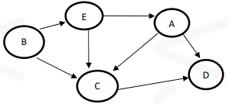 Write the topological order of the graph G |  |  |  |  | 3 | Apply | C313.3
3 | Give the control abstraction of Greedy strategy |  |  |  |  | 3 | Understand | C313.4
4 | Define spanning tree of a graph. What are the properties of spanning tree |  |  |  |  | 3 | Understand | C313.4
5 | 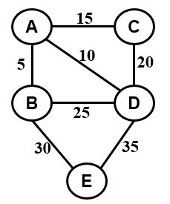 Find minimum cost spanning tree of the given graph using suitable algorithm. Also find its cost. |  |  |  |  | 3 | Apply | C313.4
6 | Compare tractable and intractable problems. Give one example to each |  |  |  |  | 3 | Understand | C313.5
PART B 16*2 = 32 Marks
Q.No | (Answer any two questions) |  |  |  |  | Marks | Taxonomy | Outcome
7 a) | A knapsack that can carry a maximum weight of 60. There are 4 items with weights {20, 30, 40, 70} and values {70, 80, 90, 200}. What is the maximum value of the items you can carry using the knapsack? Also write suitable algorithm. |  |  |  |  | 8 | Apply | C313.6
b) | Multiply the following two matrices using Strassen’s Matrix Multiplication Algorithm. |  |  |  |  | 8 | Apply | C313.4
OR
8 a) | Sort the data {30, 19, 35, 3, 9, 46, 10} using suitable design strategy. Also write the algorithm. |  |  |  |  | 8 | Apply | C313.6
b) | 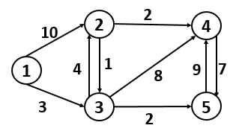 Apply Dijkstar’s algorithm on the given graph to find the shortest path to all destinations starting from vertex with label 1 |  |  |  |  | 8 | Apply | C313.4

B
A
D
F
G
C
H
9 a) | Prove that CLIQUE problem is NP Complete |  |  |  |  | 8 | Understand | C313.5
b) | Find strongly connected components of the digraph given below. Write the algorithm and analyse its complexity |  |  |  |  | 8 | Analyse | C313.3
OR
10 a) | Explain P, NP, NP hard and NP complete problems |  |  |  |  | 8 | Understand | C313.5
b) | Write DFS algorithm and analyse its time complexity. What are classification of edges that can be encountered during DFS operation and how it is classified? |  |  |  |  | 8 | Analyse | C313.3

Course Coordinator Stream Coordinator Program Coordinator

